Sheet1
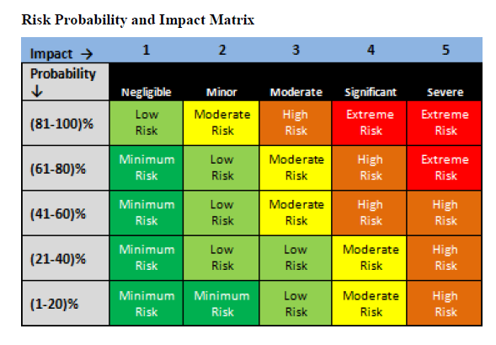
SPJIMR: Post Graduate in Advance Project Management
Subject: | Case study on Jalmahal Project - Risk Register
Date | 14-Apr-20
Prepared by Group 6 | Vidit, Sangram, Raju, Deepak Sahu, Shashank, Rushikesh

Risk Category | Risk Name | Consequences | Risk Triggers | Risk Owner | Probability of Occurance (Low, Medium, High) | Impact (Low, Medium, High) | Ranking (Probability x Impact) | Schedule Impact (Yes/No) | Cost Impact (Yes/No) | Risk Response | Action Plan | Contingency / Reserve Analysis

External Risks | Risk of damage to environment | Damage to Enviornment | Delay in Disposal of dredged material | Project Manager | Low | High | High | Yes | Yes | Mitigate | Storage of removed dredged material to be isolated. Inspection / supervision to check timely disposal.
 | Lack of timely support / approvals from Government authorities | Schedule delay | Not getting timely support Delay in obtaining approvals from Government authorities | Compliance Manager | Low | High | High | Yes | Yes | Mitigate | Hire a local consultant to deal with government compliance and approval
 | Restricted tourism leading to affected livelihood of daily wagers / vendors outside the lake | Reduced Livelihood of vendors, tourist guides | Agitations by vendors to halt project activities | HR / Public Relations manager | Medium | Medium | Medium | Yes | Yes | Avoid | Provide other means of livelihood to vendors who were dependent upon income from lake. | Resere some contingency to manage short duration compensation in case of trigger event
Internal Risks | Unavailability of skilled labour in timely manner | Schedule delay, Quality issues | Delay in mobilising skilled labour suitable for this work | HR Manager | High | High | High | Yes | Yes | Mitigate | Hire experienced labour contractor. Skilled workers should be compensated fairly for attraction and retention
 | Ineffective project management / monitoring | Poor Client relations, brand value at stake, Delays and Cost over runs | Significant Variance from the baseline for more than a month. (Cost & Schedule), Negative feedback from Client | Project Sponsor | Low | Medium | Medium | Yes | Yes | Mitigate | Onboard experienced project manager and other key personnel. Perform timely reviews from sponsor and corporate team. Form project governence board to support PM in identifying and mitigating risks.
 | Poor cash-flow management | Cash deficit, Delay in payment for vendors and sub-contractors, Schedule over run | Delay in the initial cash inflow (budget) | Project Controls Manager | Low | Medium | Medium | Yes | Yes | Accept | Plan for cash positive execution. | Identify & maintain a contigency capital budget (to be used only when the cash inflow is less than cash outflow)
Construction Risks | Not prepared for monsoon | Damages to ongoing construction, delays in corrections | Flash flood forecast, Longer than usual speels of shower disrupting work | Construction Manager | Medium | High | High | Yes | Yes | Accept | - Keep an action plan ready for monsoon including stop work procedure, work in night shifts after monsoon is over, removing excess water from flooding in excavated areas | Keep a reserve fund of 5 crore for mitigation of monsoon impact. Work overtime after monsoon to catch up on lost progress
 | Failure of construction machinery due to poor maintenance | Schedule delay | Breakdown, Missed maintenance of equipment | Construction Manager | Low | Low | Low | Yes | Yes | Transfer | Buy insurance to recover cost. Pass on risk of delay to contractor to catch up progress at sub-contractor's cost. For critical items, contractor to demonstrate ability to mobilise a replacement machinery on a short notice.
 | Unavailability of Specialist Construction Machinery in time | Construction delay, impact to subsequent activities | Delay in mobilising specialist machinery | Construction Manager | Medium | Medium | Medium | Yes | Yes | Mitigate | Manage project schedule around availability of heavy construction machinery like boring machine for channel, Engage supplier in timely manner and reserve machinery availability
Technical Risks | Not meeting the regulatory requirements | Delay in getting construction approval. Stay on project activities by authorities | Quality Audit findings, Subject matter expert review finidngs | Engineering Manager | Low | High | High | Yes | Yes | Mitigate | Hire subject matter experts and plan for expert reviews to avoid quality issues | To create a rectification action plan (for all regulatory requirements)
 | Poor quality of supplier machinery | Breakdowns, Accidents, not meeting project technical objective leading to rework | Finding of inspection performed on supplier quality, Test results | QA / QC Lead | Low | Medium | Medium | Yes | Yes | Transfer | Insurance, buy warranty / guarantee from Suppliers as part of Purchase order | Discuss & agree with the supplier on keeping a buffer machinery (to avoid delays)
 | Underestimated dredging material | Increase in cost and time required for muck removal | Survey results, Monthly quantity monitoring | Engineering Manager | Medium | Medium | Medium | Yes | Yes | Accept | Plan for Underground lake bed survey at start of engineering to verify estimated quantities. Plan for some float in schedule (early start of muck removal, etc.) | Reserve contingency fund for increase in quantity of muck removal by 20%. Keep float in schedule for 4 weeks to manage any potential delay.
Health, Safety & Environment related Risks | Damage to Aquatic lives due to accidents during construction activities | Brand value erosion, Impact to credit rating of firm | Poor quality control in construction works, Inspection findings | Construction Manager | Low | Medium | Medium | Yes | Yes | Mitigate | Have a plan in place to avoid damage to aquetic life. Follow all procedures and compliance requirements. Create rectification plan in case event happens.
 | Risk to health of workers inovlved in dredge removal due to improper training / PPEs | Lower productivity, Labour strikes leading to schedule delays | Accidents, Near misses, Incident reporting from site | Construction Manager | Low | Medium | Medium | Yes | Yes | Mitigate | - Ensure that proper PPEs are provided to all workers - Invest in worker training for safe construction practices
 | Epidemic / Pandemic effects affecting productivity | Cost & Schedule overrun | Government guidelines, spread of disease | Project Manager | High | High | High | Yes | Yes | Accept | Force Majeure to be evoked in case of an epidemic disrupting construction activities for delay in schedule. Contingency of cost to be reserved | Contingency in cost overrun in case of epidemic. 1 month of salaries to workers / project team members to be kept in reserve.

